4thQt_Week 1-2
Computer Science 2 Project | Team Members: | Cuddy Esmeres
Group Progress Report |  | Xymon Malquisto
4th Quarter

Week 1-2 - March 2-13, 2026
GOAL State your goal for the Week | DATA COLLECTED State/list the data collected relevant to your project | PROGRESS State the progress you have made so far by the end of the week
Implement initial data validation rules for user input

Gather all of the questions, with the answer key | 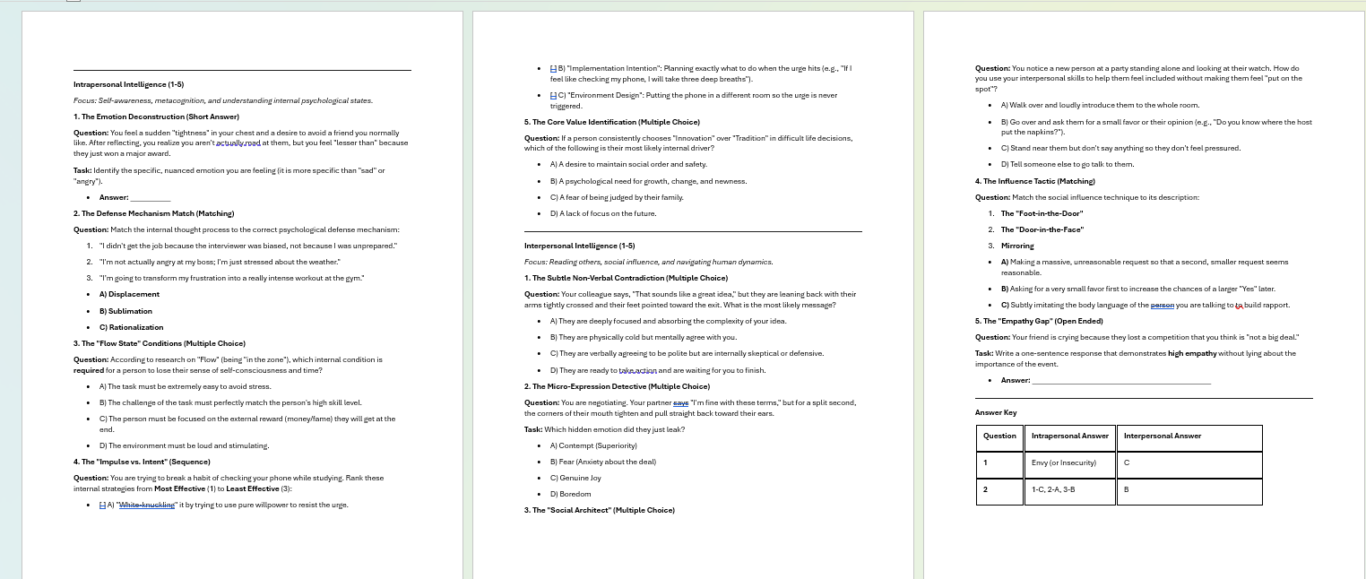 | We have compiled the questions for interpersonal and intrapersonal, and working on with the other intelligences,Organized all textual questions and associated image files for Logical and Spatial intelligence into a brainstormed structured format for the canva and the code.

Start brainstorming about UI design and designs for the | 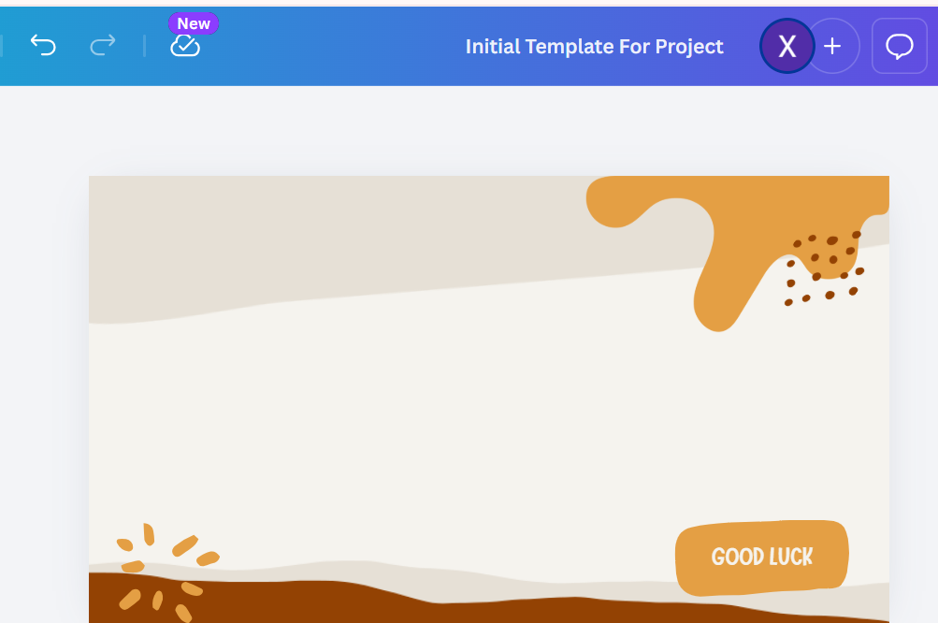 | Already have a canva template to edit the questions into it and make it more organized.
questions
STRENGTH
Organized Data, Clear Visual Plan of UI design and design in general, knowing how to code the validation.
Having images from references for spatial and logical

AREAS FOR DEVELOPMENT
Deriving Information from stored data
Improve Design making.

STRATEGY FOR SUCCESS
Try to manage time into coding and makign the question design, along with the UI design
Won't be lazy

4thQt_Week 3-4
Computer Science 2 Project | Team Members: | Cuddy Esmeres
Group Progress Report |  | Xymon Malquisto
4th Quarter

Week 3-4 - March 16-27, 2026
GOAL State your goal for the Week | DATA COLLECTED State/list the data collected relevant to your project | PROGRESS State the progress you have made so far by the end of the week
Make design on at least the logical mathematical and spatial questions |  |  | Made initial designs for a few questions and trying to organize it
and try to finalize it
Complete all the intelligence questions for the project | 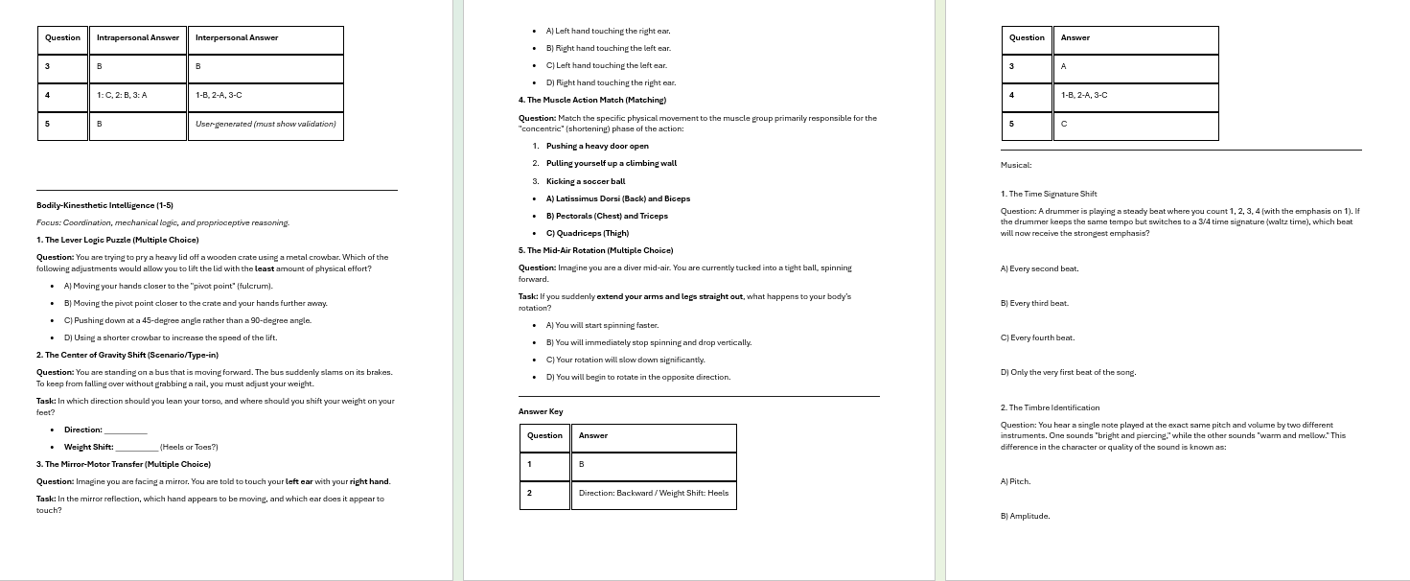 | We have all the questions for all of the intelligences that we need. And trying to work on organizing in the canva template, and answer key.

Organize the questions in spatial and logical-mathematical |  | Some of the questions have initial designs and still trying to improve on it.
into the canva template
STRENGTH
Our content of the questions for our project is diverse
Double chekcing the answer key with the questions

AREAS FOR DEVELOPMENT
Imrprove on the explanation in spatial intelligence questions since it's hard to describe a shape.

STRATEGY FOR SUCCESS
Try not to be lazy in the next week and try to finalize the design for the question designs.

4thQt_Week 5-6
Computer Science 2 Project | Team Members: | Cuddy Esmeres
Group Progress Report |  | Xymon Malquisto
4th Quarter

Week 5-6 - March 30-April 5
GOAL State your goal for the Week | DATA COLLECTED State/list the data collected relevant to your project | PROGRESS State the progress you have made so far by the end of the week
Preparation for the project check in
At least make 50% of the question designs and finalize | 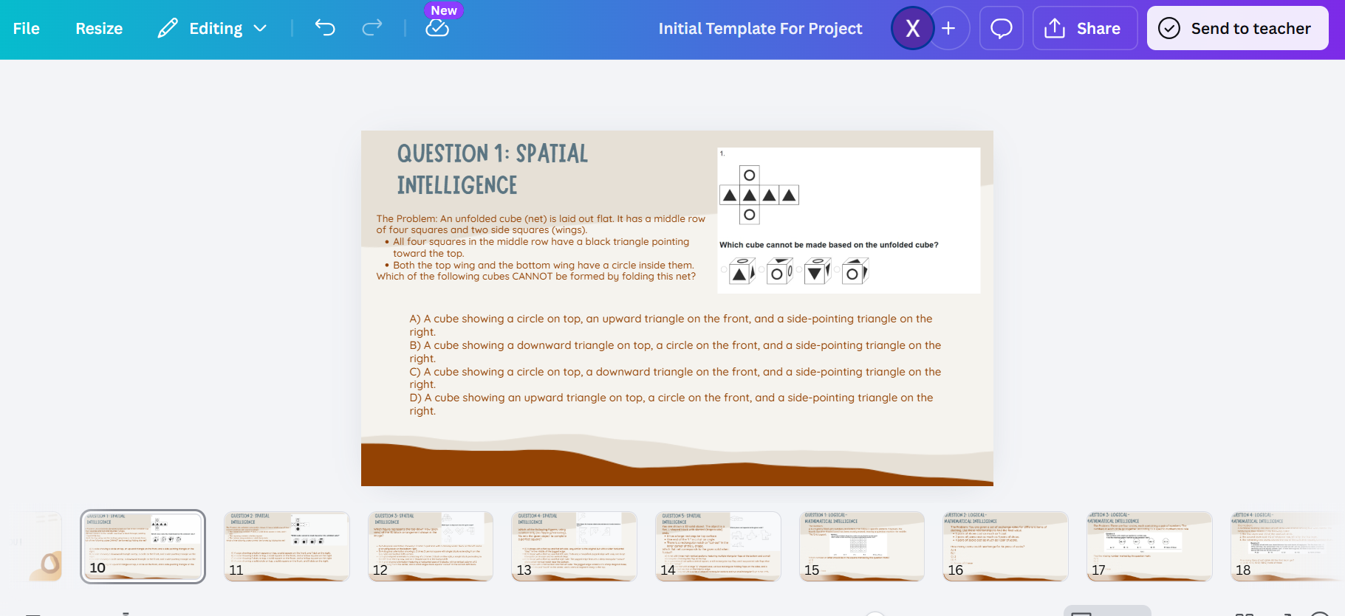 | We have finalized the question designs for spatial and logical-mathematical intelligence and it is already organized. Working on the other intelligences

STRENGTH
We have canva template already and have finalized 2 of the intelligences.

AREAS FOR DEVELOPMENT
More time in making and organizing the question designs.

STRATEGY FOR SUCCESS

4thQt_Week 7
Computer Science 2 Project | Team Members: | Cuddy Esmeres
Group Progress Report |  | Xymon Malquisto
3rd Quarter

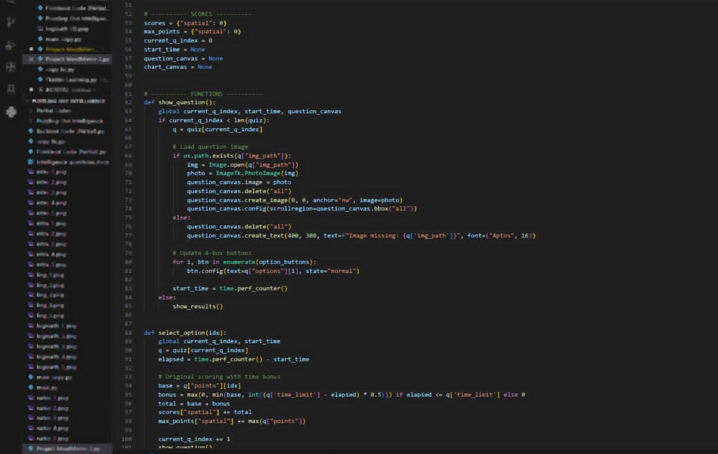
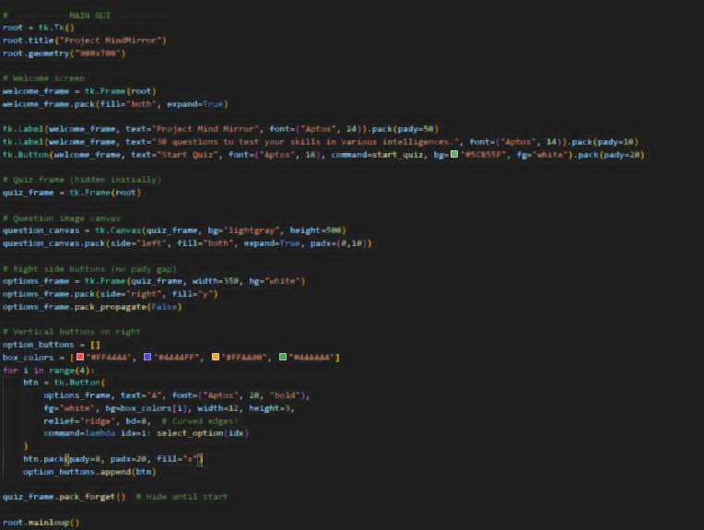
Week 7 - April 6-7
GOAL State your goal for the Week | DATA COLLECTED State/list the data collected relevant to your project | PROGRESS State the progress you have made so far by the end of the week
Fully implemente backend + frontend |  | around 80% finished
into one code

Test and fix any possible bugs |  | being fixed whilst continuing the creation
 |  | of the code

STRENGTH
We only need to finish a few more things
then our project will be finished

AREAS FOR DEVELOPMENT
Better platform for designing Uis

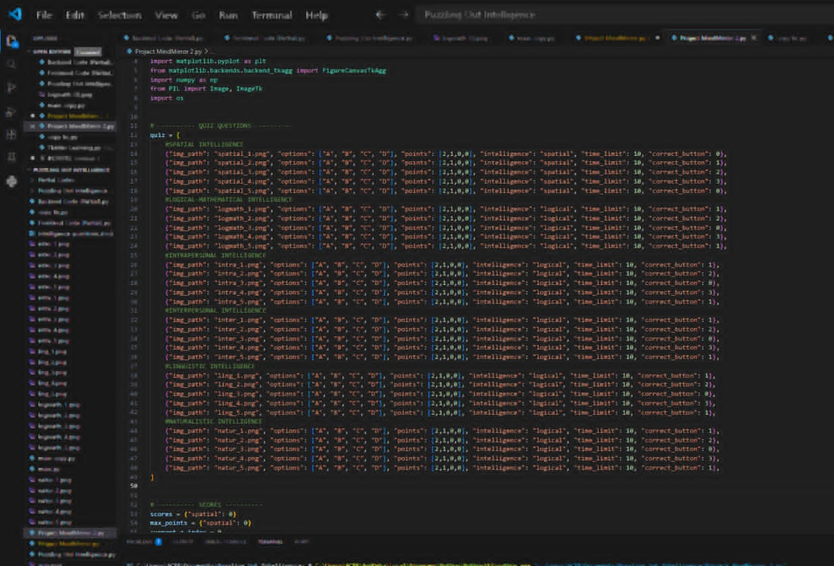

STRATEGY FOR SUCCESS
Properly track time usage to allow
focusing on other tasks needed to be
finished

